matrix_1990_1995
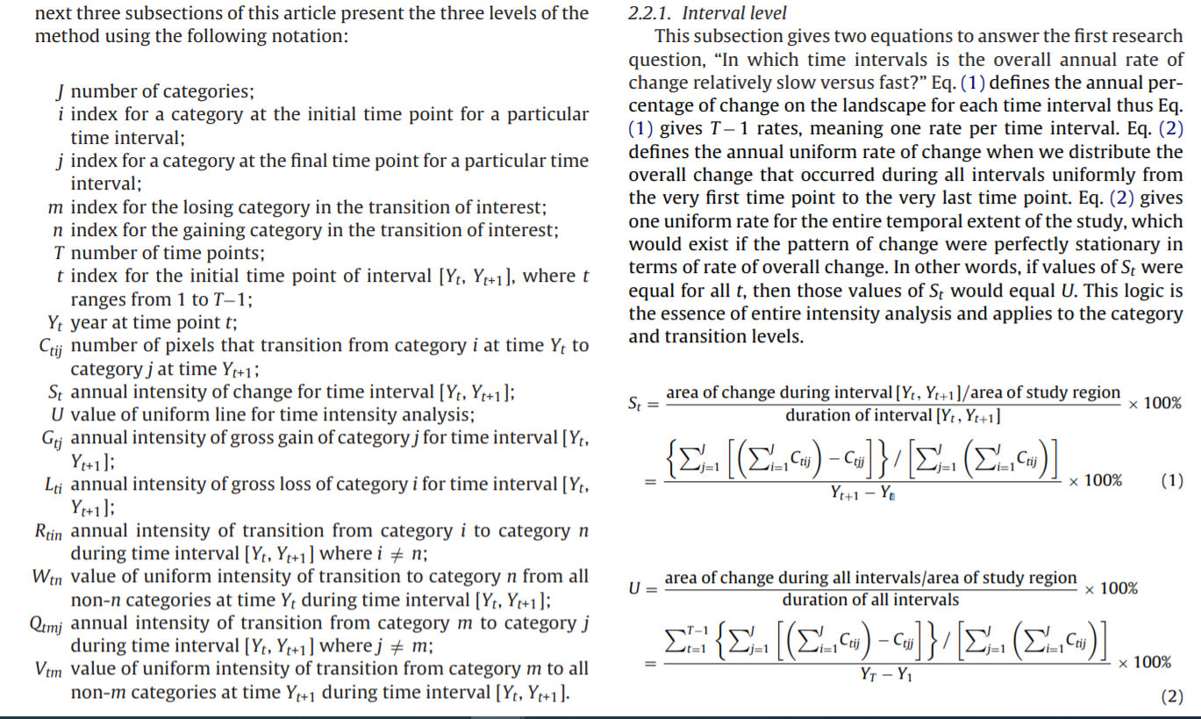
 | 1995
 |  | Water | Vegetation | Builtup | Agriculture | Barren | Sum | Loss
1990 | Water | 43.3 | 1.2 | 1.5 | 3.5 | 7.3 | 56.8 | 13.5
 | Vegetation | 8.1 | 275 | 11.7 | 64.2 | 12 | 371 | 96
 | Builtup | 0.9 | 15.4 | 646.3 | 80.6 | 36.4 | 779.6 | 133.3
 | Agriculture | 9.3 | 55.3 | 93.7 | 12174.9 | 804.2 | 13137.4 | 962.5
 | Barren | 10.1 | 21.8 | 78.1 | 605 | 1671.4 | 2386.4 | 715
 | Sum | 71.7 | 368.7 | 831.3 | 12928.2 | 2531.3 | 16731.2 | 1920.3 | 2.2954719327 | 16731.2
 | Gain | 28.4 | 93.7 | 185 | 753.3 | 859.9 | 1920.3
 |  |  |  |  |  | St = | 2.29547
 |  |  |  |  |  | U = | 2.52 | Average of all the St from all the years

 | Interval Level
 | Year | Interval Change Area (%) | Annual Change Area (%) | Uniform Intensity
 | 1990-1995 | 11.48 | 2.30 | 2.52
 | 1995-2000 | 18.42 | 3.68 | 2.52
 | 2000-2005 | 11.03 | 2.21 | 2.52
 | 2005-2010 | 10.22 | 2.04 | 2.52
 | 2010-2015 | 12.11 | 2.42 | 2.52
 | 2015-2020 | 12.19 | 2.44 | 2.52

 | Intensity Gain (%) |  |  |  | Transition Level Gain in Built
 | Water | 7.92 |  |  | From Agri | 0.1426461857
 | Vegetation | 5.08 |  |  | From Barren | 0.654542
 | Builtup | 4.45 |  |  | From Vegetation | 0.6307277628
 | Agriculture | 1.17 |  |  | From Water | 0.52816901408
 | Barren | 6.79
 | Uniform Intensity (St) | 2.30 |  |  | Uniform (Wtn) | 0.23195165375 | 15951.6

